Fit Test Temp
Filtration Factor Testing. 60mL (BD Luer Lock) syringe, occluded on one end. Filter material tightly taped over open end with packing tape. Sampling line inserted through hole in sidewall of syringe
Date Temp Writ | 2020-04-26
Original | William Ng
Machine - AccuFit 9000 (Levitt Safety) |  |  | or Machine - TSI Portacount
Protocol - CSA -18 |  | Note: do quick seal test first. Before commencing test |  |  |  |  | Note: equilibrate for 2-3min first |  |  | Note: Ambient particles should be - 2500-5000
Date: | Running Testing Page
Location: | Toronto General Hospital, Department of Anesthesia, or
Testers:
 |  |  |  |  |  |  |  | Suggested Naso-Mental Distance Downsized by Kingston team to S 110mm, M 118mm, L 127.5mm |  |  |  |  |  |  |  | Note for Filters - first 3 measurements used as equilibration time, and not included in average
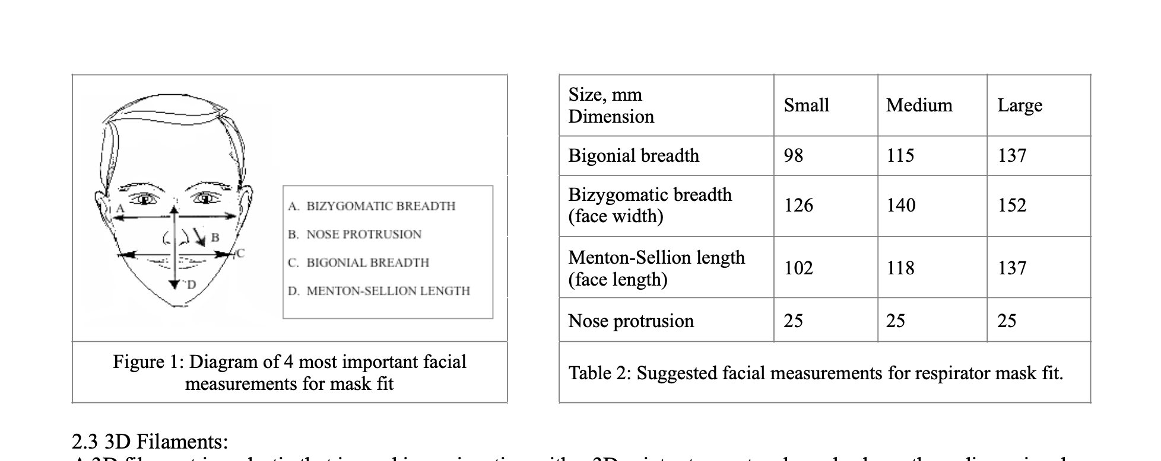

 | Filtration Factor (Outside particulate concentration : Inside particulate concentration, averaged by integral/time) |  |  |  |  |  |  |  |  | Overall FF = 1/(1/ff1 + 1/ff2 + 1/ff3 + 1/ff4 + 1/ff5 + 1/ff6 +1/ff7)
 |  |  |  |  |  |  |  |  |  |  |  |  |  |  |  |  |  |  |  |  | Volunteer | 01-VA | 02-WN
 | Age | BMI | Naso-Mental | Mask Body | Mask Strap | Harness | Run 1 | Run 2 | Run 3 | Run 4 | Run 5 | Run 6 | Run 7 | Overall FF | Pass/Fail | Comfort | Breathe | Site | Date | Comments | Age
01-VA | 31 | 28 | M | MB-30 | MB-10 | HN-ON-1 | 429 | 229 | 215 | 213 | 114 | 161 | 250.4 | 200 | 1 | 3 | 4 | 1 | 2020-04-26 | top straps too short | BMI
02-WN | 39 | 23 | S | MB-30 | MB-10 | HN-ON-1 | 363 | 273 | 580 | 273 | 219 | 293 | 344 | 308 | 1 | 3 | 4 | 1 | 2020-04-26 | bottom rim (near chin) needs for silicone to faciliate seal when talking. | Naso-Mental
03- |  |  |  |  |  |  |  |  |  |  |  |  |  |  |  |  |  |  |  |  | Run | Man SSR D30/D10 Intersurgical | Man SSR D30/D10 Intersurgical
04- |  |  |  |  |  |  |  |  |  |  |  |  |  |  |  |  |  |  |  |  | 1 | 429.4 | 363
05- |  |  |  |  |  |  |  |  |  |  |  |  |  |  |  |  |  |  |  |  | 2 | 228.7 | 273.4
06- |  |  |  |  |  |  |  |  |  |  |  |  |  |  |  |  |  |  |  |  | 3 | 214.5 | 579.6
07- |  |  |  |  |  |  |  |  |  |  |  |  |  |  |  |  |  |  |  |  | 4 | 212.5 | 272.9
08- |  |  |  |  |  |  |  |  |  |  |  |  |  |  |  |  |  |  |  |  | 5 | 113.6 | 218.8
09- |  |  |  |  |  |  |  |  |  |  |  |  |  |  |  |  |  |  |  |  | 6 | 160.7 | 293
10 |  |  |  |  |  |  |  |  |  |  |  |  |  |  |  |  |  |  |  |  | 7 | 250.4 | 343.8
11 |  |  |  |  |  |  |  |  |  |  |  |  |  |  |  |  |  |  |  |  | Overall Filtration Factor | 199.5 | 308.4
12
13 |  |  |  |  |  |  |  |  |  |  |  |  |  |  |  |  |  |  |  |  | Average Filtration Factor | 229.97142857 | 334.92857143
14
15
16
17
18
19
20
21
22
23
24
25
26
27
28
29
30
31
32
33
34
35
36
37
38
39
40
41
42
43
44
45
46
47
48
49
50
51
52

Filtration Factors
Filtration Factor Testing. 60mL (BD Luer Lock) syringe, occluded on one end. Filter material tightly taped over open end with packing tape. Sampling line inserted through hole in sidewall of syringe
Machine - AccuFit 9000 (Levitt Safety)
Date: | April 20 2020 |  |  |  |  |  |  |  |  |  |  |  | 4/26/2020 Additional Filters
Location: | Toronto General Hospital, Department of Anesthesia
Testers: | AS | WN
 | Filtration Factor (Outside particulate concentration : Inside particulate concentration, averaged by integral/time)
Run | N95 NIOSH Moldex | Camfil Vacuum Filter MERV15 1 ply | Camfil Vacuum Filter MERV15 2 ply | Woodbridge 5 Ply | Halyard H400 2Ply | Halyard H100 2Ply | NIOSH 5N11 | NIOSH 5N11 Repeat | Billings MERV14 1 Layer | Billings MERV14 2 Layer | MERV 14 1 ply | MERV14 with H100 1 Layer | HVMerv14 1-ply | HVMerv14 2-ply | HVMerv14 1-ply & H100 1-ply
1 | 143 | 52.9 | 428.2 | 29.52 | 16.51 | 5.78 | 13.06 | 7431.23 | 15 | 432.02 | 31.08 | 77.85 | 22.9 | 273.5 | 85.15
2 | 171 | 55.17 | 553.35 | 96.77 | 28.04 | 9.44 | 70.95 | 1794.58 | 44.61 | 495.42 | 43.68 | 105.32 | 25.5 | 304 | 84.4
3 | 151 | 56.08 | 562.07 | 266.33 | 30.11 | 16.42 | 264.26 | 1816.7 | 52.51 | 496.02 | 43.24 | 113.11 | 27.1 | 286.9 | 82.3
4 | 165 | 53.09 | 554.04 | 242.92 | 33.07 | 23.06 | 621.61 | 1453.35 | 55.5 | 494.74 | 42.61 | 124.35 | 28 | 261.1 | 79.5
5 | 165 | 51.57 | 513.72 | 225.9 | 31.09 | 29.7 | 2182.11 | 1797.04 | 58.82 | 404.21 | 44.25 | 116.25 | 25 | 239.6 | 76.6
6 | 167 | 52.8 | 593.11 | 338.89 | 31.56 | 32.47 | 10008.58 | 4197.66 | 61.09 | 545.98 | 44.09 | 115.86 | 24.8 | 295.3 | 75.8
7 | 155 | 53.46 | 840.48 | 409.79 | 30.5 | 30.32 | 6502.21 | 4285.79 | 61.82 | 477.38 | 42.44 | 115.81 | 27.9 | 267.4 | 74
Overall Filtration Factor | 155 | 53.54 | 557.81 | 113.09 | 27.41 | 14.56 |  | 2366.19 | 39.85 | 473.91 | 41.05 | 107.54 | 25.8 | 273.9 | 79.5

Average Filtration Factor | 163 | 52.73 | 625.3375 | 304.375 | 31.555 | 28.8875 | 4828.6275 | 2933.46 | 59.3075 | 480.5775 | 43.3475 | 118.0675 | 26.425 | 265.85 | 76.475

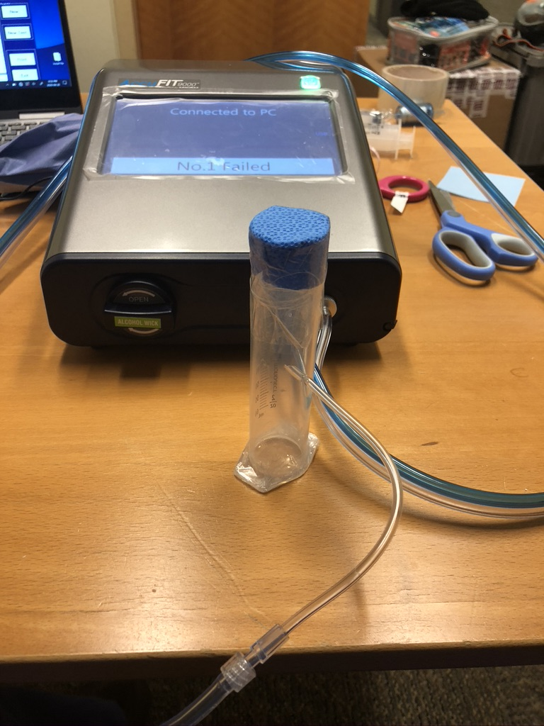
Note 1 - first 3 measurements used as equilibration time, and not included in average |  |  |  |  | Note 2
 |  |  |  |  | Overall Filtration Factor is given by a formula, where n= no. of runs, here n=7:
 |  |  |  |  | Overall FF = 1/(1/ff1 + 1/ff2 + 1/ff3 + 1/ff4 + 1/ff5 + 1/ff6 +1/ff7)

